bootstrap
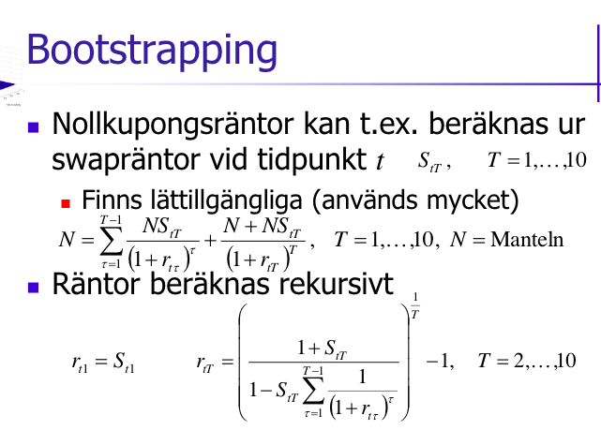
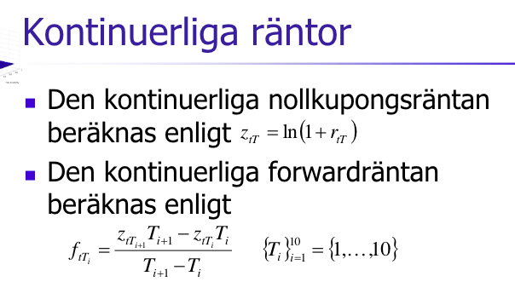
Beräkna effektiva nollkupongsräntor utifrån swapräntor (från Eikon) med bootstrap-metoden.
 | 1 | 2 | 3 | 4 | 5 | 6 | 7 | 8 | 9 | 10
RIC | EURAB6E1Y | EURAB6E2Y | EURAB6E3Y | EURAB6E4Y | EURAB6E5Y | EURAB6E6Y | EURAB6E7Y | EURAB6E8Y | EURAB6E9Y | EURAB6E10Y
Bid | -0.0053 | -0.005313 | -0.005107 | -0.004975 | -0.00466 | -0.004184 | -0.003775 | -0.003334 | -0.00289 | -0.00257
Ask | -0.005 | -0.005013 | -0.005007 | -0.004675 | -0.00436 | -0.004084 | -0.003675 | -0.003234 | -0.00279 | -0.00216 |  | Lösning med rekursion av nollkupongsräntor
Mid | -0.00515 | -0.005163 | -0.005057 | -0.004825 | -0.00451 | -0.004134 | -0.003725 | -0.003284 | -0.00284 | -0.002365 |  | T-1
Effektiva nollkupongsräntor | -0.00515 | -0.0077344616959 | -0.0059028405853 | -0.0052298869758 | -0.0047376827181 | -0.0042734609601 | -0.003814943474 | -0.0033435763218 | -0.0028801300757 | -0.0023917655594 |  | 0 | 1 | 2 | 3 | 4 | 5 | 6 | 7 | 8 | 9
Kontinuerliga nollkupongsräntor | -0.0051633069569 | -0.007764527775 | -0.0059203312124 | -0.0052436107046 | -0.0047489411101 | -0.0042826182927 | -0.0038222389313 | -0.0033491785643 | -0.0028842856313 | -0.0023946303996 | SUM((1+r)^tau) |  | 0.99485 | 1.9794408985 | 2.9618367017 | 3.9410806926 | 4.9176156745 | 5.8922472899 | 6.8658463794 | 7.8394087104 | 8.8137841668
Kontinuerliga terminsräntor | -0.010365748593 | -0.002231938087 | -0.0032134491814 | -0.0027702627321 | -0.0019510042054 | -0.0010599627633 | -3.775599502E-05 | 0.00083485783295 | 0.0020122666856
 |  |  |  |  |  |  |  |  |  | ^^Kan ej ta Z_T+1 |  |  | 1.0051766598 | 0.50519315871 | 0.33762833698 | 0.25373750958 | 0.20335058008 | 0.16971453349 | 0.14564846703 | 0.12756064098 | 0.11345864399
Från Eikon (se fliken data)
Diskonteringsfaktorer | 1.005121232 | 1.010475778 | 1.015391945 | 1.019605834 | 1.022911065 | 1.025304308 | 1.026633129 | 1.026876347 | 1.026029934 | 1.024126324
Nollkupongsräntor | -0.0050951386131 | -0.0051970917759 | -0.0050786235164 | -0.0048422670791 | -0.0045202622639 | -0.0041562478585 | -0.0037479077421 | -0.003309701019 | -0.0028511412835 | -0.0023811487859
d_i = (1 + r_i)^-i
<=> r_i = (d_i)^(1/(-i)) - 1

Differens (effektiv - r) | -5.486138691E-05 | -0.00253736992 | -0.00082421706894 | -0.00038761989664 | -0.00021742045422 | -0.00011721310157 | -6.7035731979E-05 | -3.3875302831E-05 | -2.8988792132E-05 | -1.0616773489E-05
 |  |  |  |  |  |  |  |  |  |  |  |  |  |  | Live swapräntor
 |  |  |  |  |  |  |  |  |  |  |  |  |  |  | EURAB6E1Y | EURAB6E2Y | EURAB6E3Y | EURAB6E4Y | EURAB6E5Y | EURAB6E6Y | EURAB6E7Y | EURAB6E8Y | EURAB6E9Y | EURAB6E10Y
 |  |  |  |  |  |  |  |  |  |  |  |  |  |  | #NAME? | #NAME? | #NAME? | #NAME? | #NAME? | #NAME? | #NAME? | #NAME? | #NAME? | #NAME?
 |  |  |  |  |  |  |  |  |  |  |  |  |  |  | #NAME? | #NAME? | #NAME? | #NAME? | #NAME? | #NAME? | #NAME? | #NAME? | #NAME? | #NAME?

